Cover Page


Brookings County 4-H
Member's Record

Name: | Classy |  |  | Clover
 | First |  |  | Last

Years in 4-H: | 3 |  |  | 4-H Age (as of Jan 1st current year): | 10

Name of Parent(s) or Guardian(s): |  |  | Jane & John Clover

Primary Club Name: |  | Bruce Honey Bees

Goals for this 4-H Year (must have at least 1): |  |  |  |  | 4-H Year: | 2023-2024

I will try a new project area to display by Achievement Days.
I will train my heifer to be show broke by Achievement Days.
I will find a new recipe to make for Special Foods by June 1st.
I will sew a skirt with my grandma before Fashion Revue.
I will be a member of the club float committee.

8. Year in Review opt 2
8. 4-H Year in Review
 |  | 4-H Year: | 2023-2024
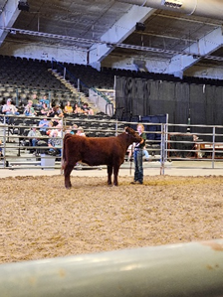
<Photo Here> | <Photo Here> | <Photo Here>

Showing Minnie | <Caption Here> | <Caption Here>

<Photo Here> | <Photo Here> | <Photo Here>

<Caption Here> | <Caption Here> | <Caption Here>

<Photo Here> | <Photo Here> | <Photo Here>

<Caption Here> | <Caption Here> | <Caption Here>

<Photo Here> | <Photo Here> | <Photo Here>

<Caption Here> | <Caption Here> | <Caption Here>

